NRCC Headers
 | User input |  | auto calculated | From another Table |  | From look up table

Heading First & Last Page Only
STATE OF CALIFORNIA
Domestic Water Heating System
NRCC-PLB-E |  |  |  |  | CALIFORNIA ENERGY COMMISSION
CERTIFICATE OF COMPLIANCE |  |  |  |  |  | NRCC-PLB-E
This document is used to demonstrate compliance for nonresidential occupancies with requirements in §110.1, §110.3, §120.3, and §140.5, and with requirements in §141.0 for additions and alterations, for domestic water heating scopes using the prescriptive path. For high-rise residential and hotel/motel occupancies, compliance is demonstrated with requirements in §110.1, §110.3, §160.4 and §170.2(d), and with requirements in §180.1 for additions and §180.2 for alterations.
Project Name: |  |  |  |  | Report Page: | Page 1 of ??
Project Address: |  |  |  |  | Date Prepared:

Heading All Other Pages
STATE OF CALIFORNIA
Domestic Water Heating System
NRCC-PLB-E |  |  |  |  | CALIFORNIA ENERGY COMMISSION
CERTIFICATE OF COMPLIANCE |  |  |  |  |  | NRCC-PLB-E
Project Name: |  |  |  |  | Report Page: | Page 2 of ??
Project Address: |  | Remove this field on all but first & last page header |  |  | Date Prepared:

LMCC Headers
 | User input |  | auto calculated | From another Table |  | From look up table

Heading First & Last Page Only
STATE OF CALIFORNIA
Domestic Water Heating System
LMCC-PLB-01-E |  |  |  |  | CALIFORNIA ENERGY COMMISSION
CERTIFICATE OF COMPLIANCE |  |  |  |  |  | LMCC-PLB-01-E
This document is used to demonstrate compliance with requirements in §110.1, §110.3, §120.3, and §140.5, and with requirements in §141.0 for additions and alterations, for domestic water heating systems serving nonresidential occupancies within low-rise mixed use buildings using the prescriptive path. For low-rise residential and hotel/motel occupancies, compliance is demonstrated with requirements in §110.1, §110.3, §160.4 and §170.2(d), and with requirements in 180.1 for additions and §180.2 for alterations.
Project Name: |  |  |  |  | Report Page: | Page 1 of ??
Project Address: |  |  |  |  | Date Prepared:

Heading All Other Pages
STATE OF CALIFORNIA
Domestic Water Heating System
LMCC-PLB-01-E |  |  |  |  | CALIFORNIA ENERGY COMMISSION
CERTIFICATE OF COMPLIANCE |  |  |  |  |  | LMCC-PLB-01-E
Project Name: |  |  |  |  | Report Page: | Page 2 of ??
Project Address: |  | Remove this field on all but first & last page header |  |  | Date Prepared:

NRCC Footers
 | User input | auto calculated |  | From another Table |  | From look up table

Footer for every page:
Footer All Pages
Registration Number: |  |  | Registration Date/Time: |  | Registration Provider:
 |  |  | Report Version: |  | Compliance ID:
 |  |  | Schema Version: |  | Report Generated:
CA Building Energy Efficiency Standards - 20225 Nonresidential Compliance:

LMCC Footers
 | User input | auto calculated |  | From another Table |  | From look up table

Footer for every page:
Footer All Pages
Registration Number: |  |  | Registration Date/Time: |  | Registration Provider:
 |  |  | Report Version: |  | Compliance ID:
 |  |  | Schema Version: |  | Report Generated:
CA Building Energy Efficiency Standards - 20225 Low-Rise Multifamily Compliance:

G. Dist Syst
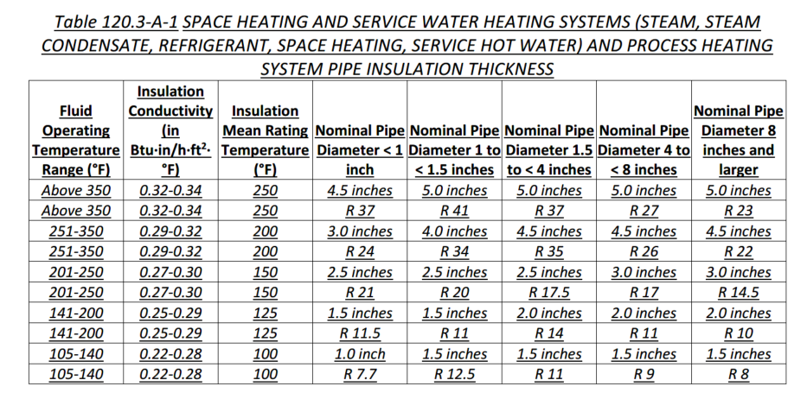
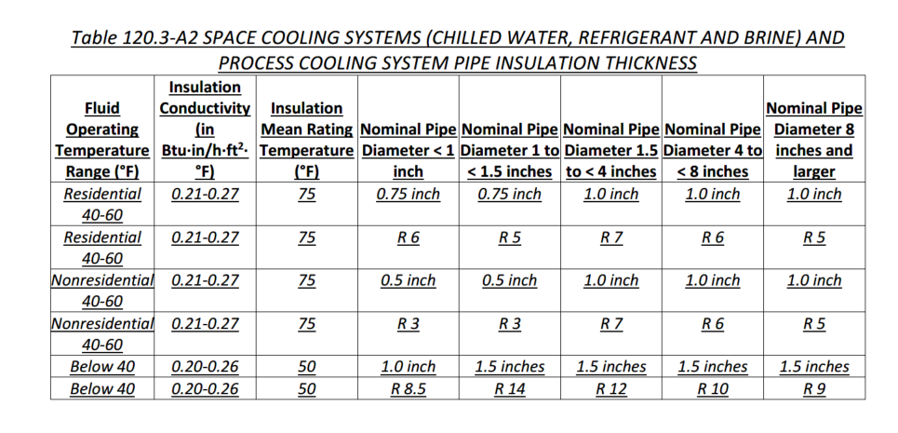
G. DOMESTIC HOT WATER DISTRIBUTION SYSTEM
Table Instructions: Complete the following table to demonstrate compliance for nonresidential occupancies with distribution requirements in §120.3 and §140.5. For multifamily and hotel/motel occupancies, compliance is demonstrated with requirements in §110.3(c), §160.4 and §170.2(d).
Recirculation Loops in Central Systems Serving Dwelling Units, Hotel/Motel Guest Rooms or Nonresidential Spaces - §110.3, §170.2(d)2
System Name: |  | System Name (01) from Section F
 | Yes | No | Not Applicable | Requirement
01 | ¨ | ¨ | ¨ | Air release valve or verticle pump installation per §110.3(c)4A
02 | ¨ | ¨ | ¨ | Check valve or similar located between recirculation pump and water heating equipment to prevent backflow per §110.3(c)4B
03 | ¨ | ¨ | ¨ | Hose bibb installed between pump and equipment and isolation valve between hose bibb and equipment per §110.3(c)4C
04 | ¨ | ¨ | ¨ | Isolation valves on both sides of the pump per §110.3(c)4D
05 | ¨ | ¨ | ¨ | Cold water and recirculation loop piping shall not be connected to the hot water storage tank drain port per §110.3(c)4E
06 | ¨ | ¨ | ¨ | Check valve installed on cold water supply between hot water system and next closest tee on cold water supply per §110.3(c)4F
07 | ¨ | ¨ | ¨ | DWELLING UNITS ONLY: For central systems serving multiple dwelling units, design includes a recirculation system serving separate dwelling units per §170.2(d) unless building has < 8 dwelling units.
08 07 | ¨ | ¨ | ¨ | DWELLING UNITS ONLY: For heat pump water heating systems, the hot water return from the recirculation loop shall connect to a recirculation loop tank and shall not directly connect to the primary heat pump water heater inlet or the primary thermal storage tanks per §170.2(d)2Aii
09 08 | ¨ | ¨ | ¨ | DWELLING UNITS ONLY: For heat pump water heating systems, the fuel source for the recirculation loop tank shall be electricity if auxiliary heating is needed. The recirculation loop heater shall be capable of multi-pass water heating operation per §170.2(d)2Aiii B.
09 | ¨ | ¨ |  | DWELLING UNITS ONLY: The recirculation loop tank temperature setpoint shall be at least 10°F lower than the primary thermal storage tank temperature setpoint - §170.2(d)2Av
10 | ¨ | ¨ | ¨ | DWELLING UNITS ONLY: All hot water distribution piping shall be sized in accordance with the California Plumbing Code Appendix M per §170.2(d)2C.
11 | ¨ | ¨ | ¨ | DWELLING UNITS ONLY:A recirculation system with mechanical or digital thermostatic master mixing valve on each distribution supply and return loop and meet the requirements in Reference Appendix RA4.4, unless building has ≤ 8 dwelling units, per §170.2(d)2D.
12 | ¨ | ¨ | ¨ | DWELLING UNITS ONLY: Insulation for hot water pipes shall be field verified as specifid in Reference Appendix RA3.6.3 per §170.2(d)2E.

Distribution of Individual System(s) serving Dwelling Units - §170.2(d)1
System Name: |  | System Name (01) from Section F
 | Yes | No | Not Applicable | Requirement
10 13 | ¨ | ¨ | ¨ | Per §170.2(d)1A, single 240 volt heat pump water heaters serving dwelling units must also include systems with:
 | ¨ | ¨ | ¨ | ¨ | Compact hot water distribution system as specified in Reference Appendix RA4.4.16 in climate zone 1 & 16; AND
 | ¨ | ¨ | ¨ | ¨ | A drain water heat recovery system that is field verified by a HERS Rater per Reference Appendix RA3.6.9 in climate zone 16.
11 14 | ¨ | ¨ | ¨ | A drain water heat recovery system that is field verified by a HERS Rater per Reference Appendix RA3.6.9 in climate zone 16 per §170.2(d)1B.
12 15 | ¨ | ¨ | ¨ | For recirculation distribution systems serving individual dwelling units, only Demand Recirculation Systems with manual on/off control as specified in the Reference Appendix RA4.4.9 shall be used per §170.2(d)1.

Mandatory Pipe Insulation All Occupancies - §120.3, §160.4
System Name: |  | System Name (01) from Section F
 | Yes | Not Applicable | Requirement
13 16 | ¨ | ¨ | For systems serving dwelling units and common areas, pipe insulation must meet the minimum insulation requirements in Table 160.4-A (see below) except: - Piping that penetrates framing members shall not be required to have pipe insulation for the distance of the framing penetration. Piping that penetrates metal framing shall use grommets, plugs, wrapping or other insulating material to assure that no contact is made with the metal framing. Insulation shall abut securely against all framing members. - Piping installed in interior or exterior walls shall not be required to have pipe insulation if all of the requirements are met for compliance with Quality Insulation Installation (QII) as specified in the Reference Residential Appendix RA3.5. - Piping surrounded with a minimum of 1 inch of wall insulation, 2 inches of crawlspace insulation, or 4 inches of attic insulation, shall not be required to have pipe insulation.
14 17 | ¨ | ¨ | For systems serving nonresidential spaces, pipe insulation for the following applications is specified to comply with Table 120.3-A1 or or Table 120.3-A2 (see below) per §120.3: - Recirculating system piping, including supply and return piping of the water heater - The first 8 ft of hot and cold outlet piping, including between storage tank and heat trap, for a nonrecirculating storage system - Pipes that are externally heated
15 18 | ¨ | ¨ | Per §120.3(b)/ §160.4(f), pipe and appurtenance insulation shall be protected from damage, including that due to sunlight, moisture, equipment maintenance, and wind. Protection shall include: - Insulation exposed to weather shall be installed with a cover suitable for outdoor service per §120.3(b)/ §160.4(f). - Pipe insulation buried below grade must be installed in a water proof and non-crushable casing or sleeve.
TABLE 120.3-A-1/ 160.4-A PIPE INSULATION THICKNESS

 | New table structure for 2025. Table 120.3-A was split into two Tables, Table 120.3-A-1 and Table 120.3-A-2. Minor formatting changes, no actual values changed.

J. PoolSpa
 | User input |  | auto calculated |  |  |  |  |  | From another Table

NEW TABLE FOR PLB FOR 2025 (was Section R. on PRC form, changes shown are from 2022 table to 2025 from that table)

J. POOL & SPAs
This table documents compliance with mandatory pool/spa requirments in §110.4/§160.7.
Is the pool/spa heated? | Heated/NotHeated
01 | 02 | 03 | 04 | 05 | 06 | 06 07 | 08 | 07 09 | 08 10
Pool/ Spa Description | Pool/Spa Service Type | Efficiency1 | On/Off Control | Instructions & Covers | Covers | Electric Resistance Heating Equipment | Heating Source Sizing | Piping | Pool Directional Inlets & Pump Control
 | Dropdown | Dropdown | Dropdown | Dropdown | Dropdown | Dropdown | Dropdown | Dropdown | Dropdown
1 FOOTNOTE: CEC's appliance efficiency database, the Modernized Appliance Efficiency Database System (MAEDBS), is available online at https://cacertappliances.energy.ca.gov/Pages/ApplianceSearch.aspx.
1 FOOTNOTE: Heat pump pool heaters with supplementary heaters shall also meet the requirements in Section 110.4(d).

 | Type Dropdown | Efficiency dropdown | Control Dropdown | Instructions Dropdown | Covers Dropdown | Elec Resistance Heating Dropdown | Heating Source Sizing Dropdown | Piping Dropdown | Inlet Dropdown
 | Serves multiple tenants or public | Equipment subject to State/federal appliance efficiency standards complies with Section 110.1 is in the CEC's directory of certified equipment | Includes on-off switch mounted on outside of heater allowing shutting off heater without adjusting thermostat | Includes weatherproof plate with energy efficiency rating and instruction for operation Heated outdoor pools/spas must include cover and weatherproof instruction for proper care of when cover is used | Outdoor pool/spa has pool cover installed | No electric resistance heating used Installed equipment meets standards from Table 110.4-A | Solar heating system w/ collector surface >= 65% of pool/spa surface area | >= 36 18 in of pipe installed between filter & heater or dedicated suction and return lines to allow for the future addition of solar heating equipment | Has directional inlets to mix the pool water & control mechanism to allow pumps to run only during off-peak electric demand period and for min time necessary | 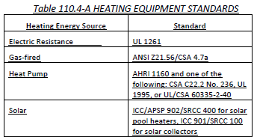
 | Serves public |  |  |  | NA: Pool/spa heated by solar heating system | Listed package units with fully insulated enclosures, and with tight-fitting covers that are insulated to at least R-6 | Heat pump heater that meets sizing requirements of JA16.3. Supplementary heater can be any energy source.1 | Built-in/built-up connections installed to allow for future addition of solar heating equipment | NA: Spa
 | Serves one tenant |  |  |  |  | Pools/spas where >= 60% of annual heating energy is from site solar energy or recovered energy | System where >= 60% of heating energy from on-site renewable or recovered energy | NA: Pool/spa heated by solar heating system
 |  |  |  |  |  |  | Combination of solar heating system and heat pump heater without supplementary heater
 |  |  |  |  |  |  | Heating system determined by the Executive Director to use no more energy than other allowed systems
 |  |  |  |  |  |  | NA: Portable electric spa compliant with 20 CCR § 1605.3(g)(7) of Appliance Efficiency Regulations per Exception 1 to 110.4(c)
 |  |  |  |  |  |  | NA: Alteration to existing pool/spa with existing heating system per Exception 2 to 110.4(c)
 |  |  |  |  |  |  | NA: Pool/spa heated by solar heating system without backup heater per Exception 3 to 110.4(c)
 |  |  |  |  |  |  | NA: Heating system used for permanent spa applications in exsting buildings with gas available per Exception 4 to 110.4(c)
 |  |  |  |  |  |  | NA: Heating system used for permanent spa application where there is inadequate SARA for a solar heating system per Exception 5 to 110.4(c)

Additional Requirements for Pool/ Spa Serving One Tenant §150.0(p)
Pool/Spa Description | Pulls from J.01 above
 | Yes | Not Applicable | Requirement
11 | ¨ |  | Dedicated-purpose pool pumps and replacement dedicated-purpose pump motors subject to State or Federal appliance standards shall be listed in the Commission's directory of certified equipment. - Dedicated-purpose pool pumps shall meet 20 CCR § 1605.1(g)(7) of the Appliance Efficiency Regulations. - Replacement dedicated-purpose pool pumpmotors shall meet 20 CCR § 1605.3 of the Appliance Efficiency Regulations.
12 09 | ¨ |  | All pump flow rates shall be calculated using H = C × F2 WHERE: H is the total system head in feet of water F is the flow rate in gallons per minute (gpm) C is a coefficient based on the volume of the pool (0.0167 for pools less than or equal to 17,000 gallons & 0.0082 for pools greater than 17,000 gallons)
13 10 | ¨ |  | Filtration pumps shall be sized, or if programmable, shall be programmed, so that the filtration flow rate is not greater than the rate needed to turn over the pool water volume in 6 hours or 36 gpm, whichever is greater.
11 | ¨ |  | Pump motors used for filtration shall meet the applicable federal standard in 10 CFR 431.465.
14 12 | ¨ | ¨ | Each auxiliary pool load shall be served by either separate pumps or the system shall be served by a multispeed pump if pump hp >= 1. Multispeed Dedicated-purpose pool pumps with more than one speed shall have: - Controls which default to the filtration flow rate when no auxiliary pool loads are operating; and - Multispeed pumps the Controls shall default to the filtration flow rate setting within 24 hours and shall have an override capability for servicing.
15 13 | ¨ |  | System Piping must meet the following requirements: - A length of straight pipe that is greater than or equal to at least 4 pipe diameters shall be installed before the pump; and - Pool piping shall be sized so that the velocity of the water at maximum flow for auxiliary pool loads does not exceed 8 feet per second in the return line and 6 feet per second in the suction line; and - All elbows shall be sweep elbows or of an elbow-type that has a pressure drop of less than the pressure drop of straight pipe with a length of 30 pipe diameters.
16 14 | ¨ |  | Filters shall be at least the size specified in NSF/ANSI 50 for public pool intended applications.
17 15 | ¨ |  | Minimum diameter of backwash valves shall be 2 inches or the diameter of the return pipe, whichever is greater.

Signature
?
DOCUMENTATION AUTHOR'S DECLARATION STATEMENT
Documentation Author Name: | Documentation Author Signature:
Company: | Signature Date:
Address: | CEA/AEA/ECC HERS Certification Identification (if applicable):
City/State/Zip: | Phone:
RESPONSIBLE PERSON'S DECLARATION STATEMENT I certify the following under penalty of perjury, under the laws of the State of California: 1. The information provided on this Certificate of Compliance is true and correct. 2. I am eligible under Division 3 of the Business and Professions Code to accept responsibility for the building design or system design identified on this Certificate of Compliance (responsible designer) 3. The energy features and performance specifications, materials, components, and manufactured devices for the building design or system design identified on this Certificate of Compliance conform to the requirements of Title 24, Part 1 and Part 6 of the California Code of Regulations. 4. The building design features or system design features identified on this Certificate of Compliance are consistent with the information provided on other applicable compliance documents, worksheets, calculations, plans and specifications submitted to the enforcement agency for approval with this building permit application. 5. I will ensure that a completed signed copy of this Certificate of Compliance shall be made available with the building permit(s) issued for the building, and made available to the enforcement agency for all applicable inspections. I understand that a completed signed copy of this Certificate of Compliance is required to be included with the documentation the builder provides to the building owner at occupancy.
Responsible Designer Name: | Responsible Designer Signature:
Responsible Person Scope:
Company: | Date Signed:
Address: | License:
City/State/Zip: | Phone:

Tool Tip:
The compliance documentation is not complete until the Documentation Author and Responsible Designer fill out and sign the NRCC-PLB form.

